Sheet1
Test case 1 | Test case 2 | Test case 3 | Test case 4 | Test case 5 | Test case 6 | Test case 7 | Test case 8 | Test case 9
Expected result | Expected result | Expected result | Expected result | Expected result | Expected result | Expected result | Expected result | Expected result
Program will open program 3 with out issue | Program will open program 2 with out issue Takes number entered checks if greater then 1000 | Checks if number enetered is postive negtive or 0 | Checks if number is equal to 2, both are or if not | takes number entered and loops x amount | Finds sum of odd numbers from 10 numbers | Finds the months with a r in them | Makes a deck of cards then shuffles | Ends program
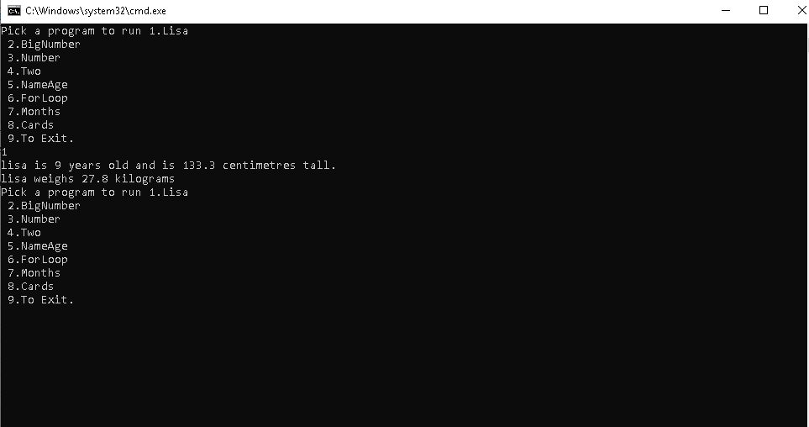
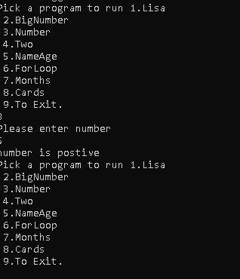
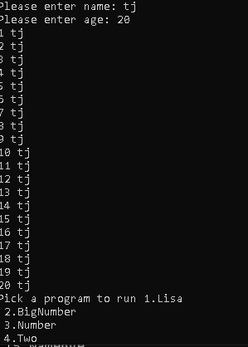
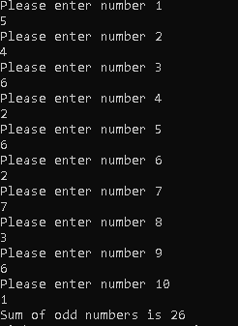
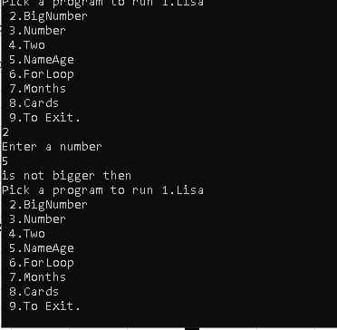
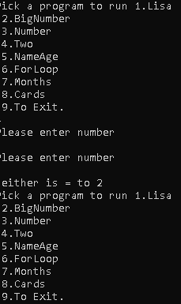
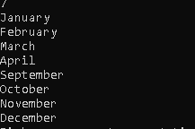
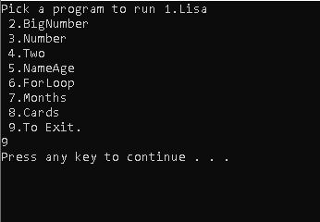

Result | Result | Result | Result | Result | Result | Result | Result | Result
 |  |  |  |  |  | Fond the months with r in them

 |  |  |  |  |  |  |  |  | Ends program

 |  |  |  |  | Got the sum of the odd numbers

 | Opens program takes number entered then displays if its bigger | Checked number and displayed result
 |  |  | checked if 3 and 3 were equal or one was 2 result nethiter
 |  |  |  | Displayed name the required amount of times

Result runs program then returns to menu

 |  |  |  |  |  |  | Makes a deck of cards by editing arrays then shuffles

